Gesamt
CHEIW | 45557 | ELINA MARRON / CAMEL | 32-37 (2,2,2,2,2,2)] = 12 Uds. | 12 | KIDS | 5 | 60
 |  |  | 4 |  | Total |  | 64

CHEIW | 45586 | TEXTIL LEOPARDO | 24-35 (1,1,1,1,1,1,1,1,1,1,1,1)] = 12 Uds. | 12 | KIDS | 11 | 132
 |  |  |  |  | Total |  | 132

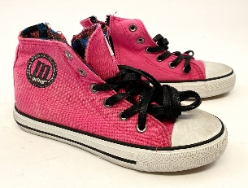
MTNG | 81201 | LONA LAVADA FUCSIA | 28-37 (1,1,1,1,2,2,2,2,1,1)] = 14 Uds. | 14 | KIDS | 10 | 140
 |  |  | 11 |  |  |  | 151
 | 81201 | LONA LAVADA MARINO | 28-37 (1,1,1,1,2,2,2,2,1,1)] = 14 Uds. | 14 | KIDS | 2 | 28
 |  |  |  |  | Total |  | 319
 |  |  | Kids |  | Total |  | 515

